Testing Proof Screen shots
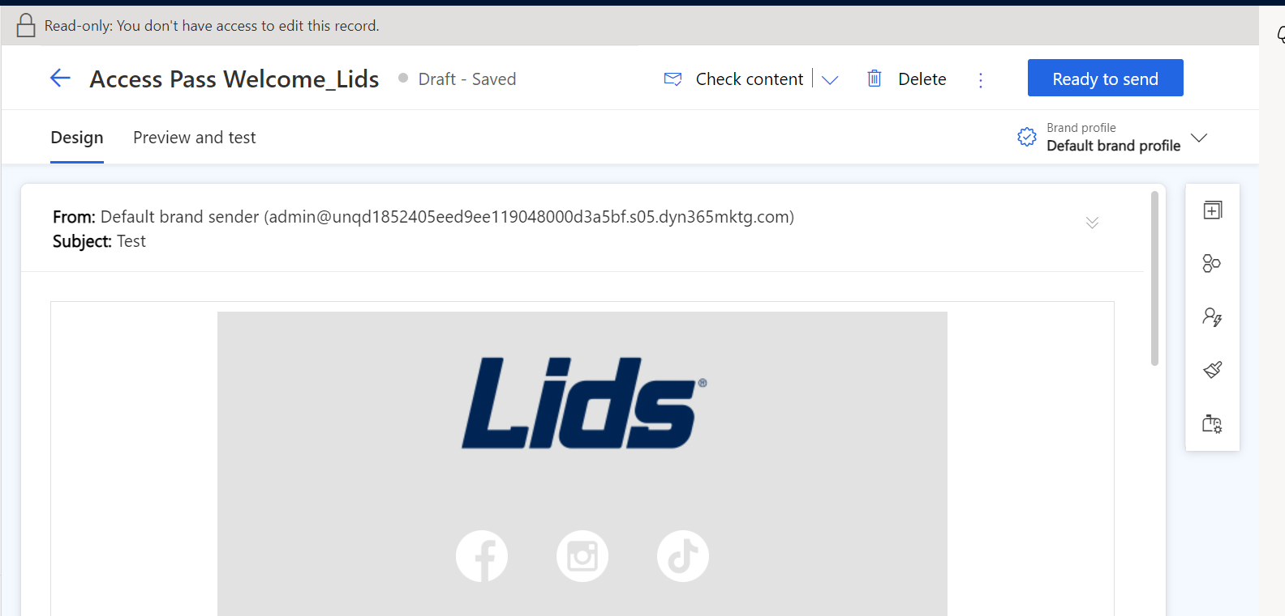
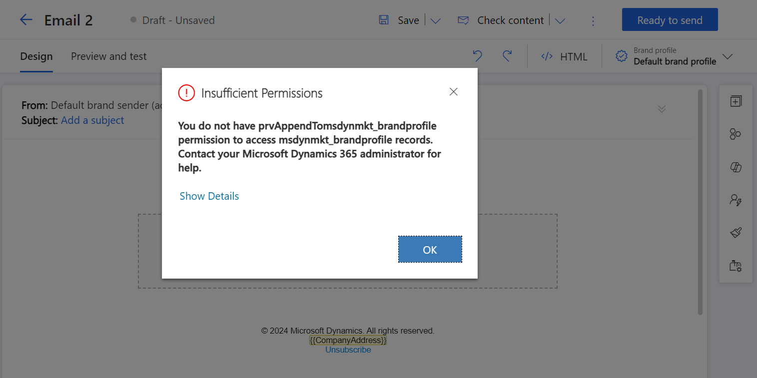
Journey Organization Level | Create | Read | Journey User Level | Write | Delete | Assign

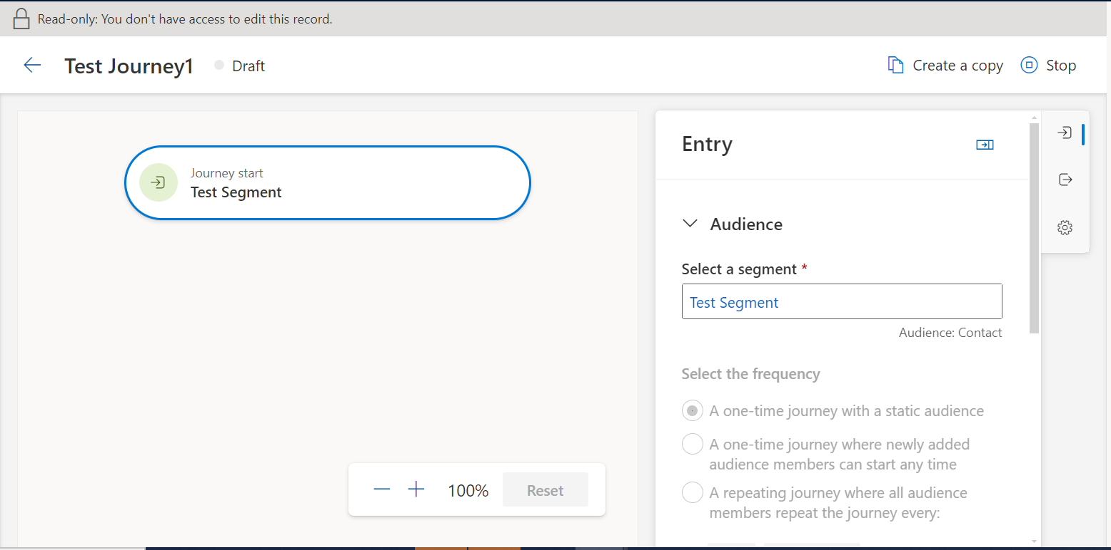
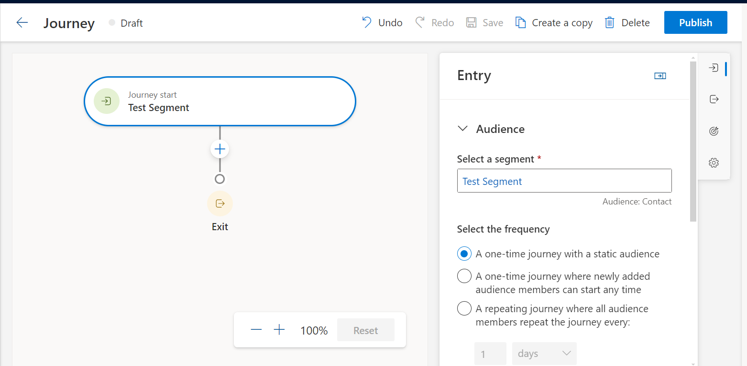

Email Template Organization Level | Create | Read | Email Template User Level | Write | Delete | Assign

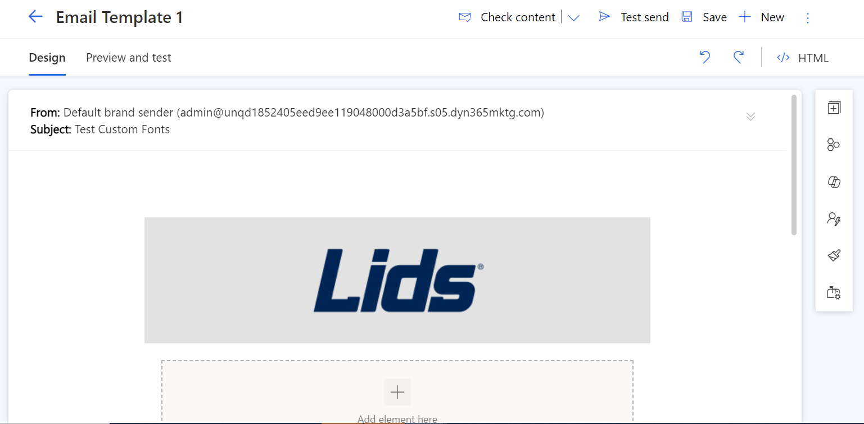
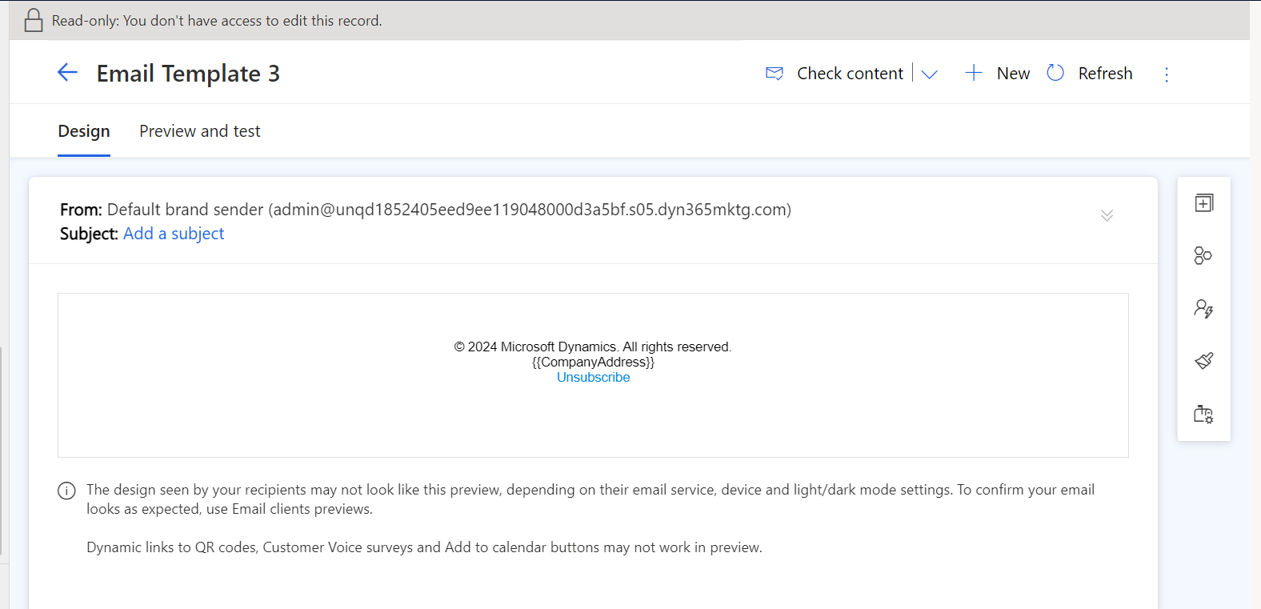

PreferenceCenter Organization Level | Create | Read | PreferenceCenter User Level | Write | Delete | Assign

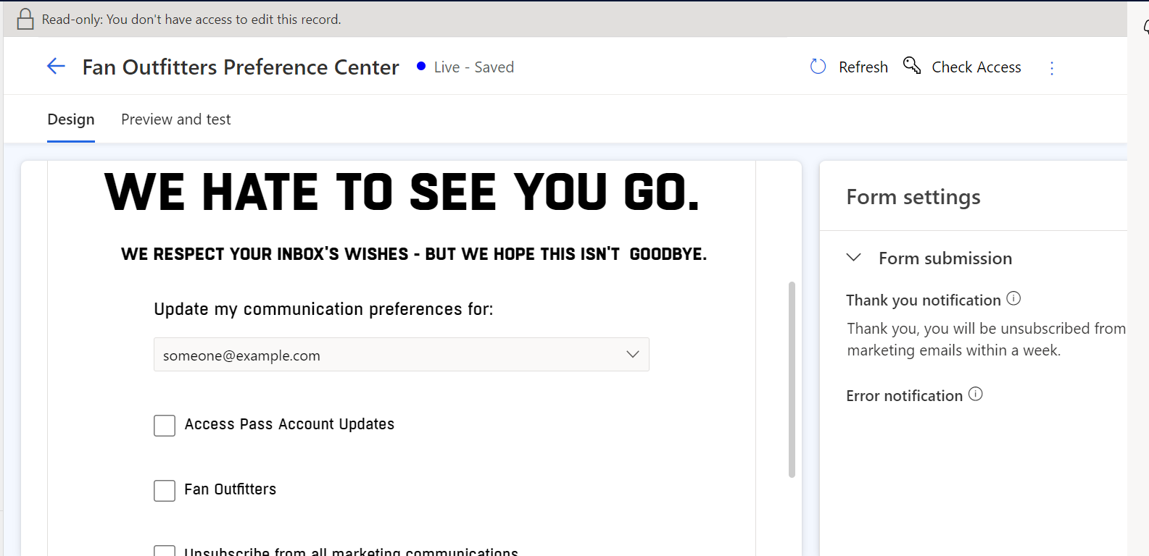
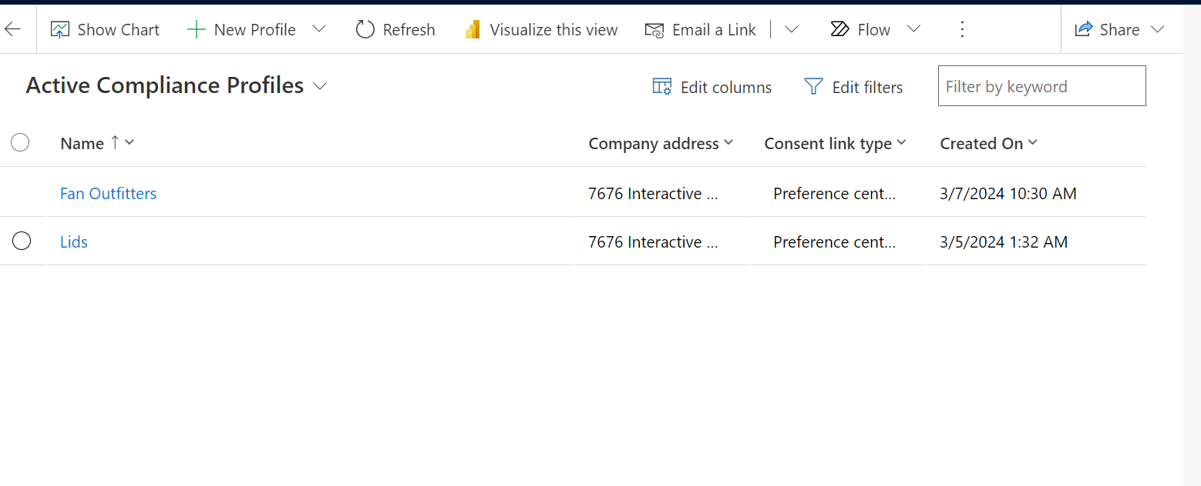

ContentBlocks Organization Level | Create | Read | ContentBlocks User Level | Write | Delete | Assign

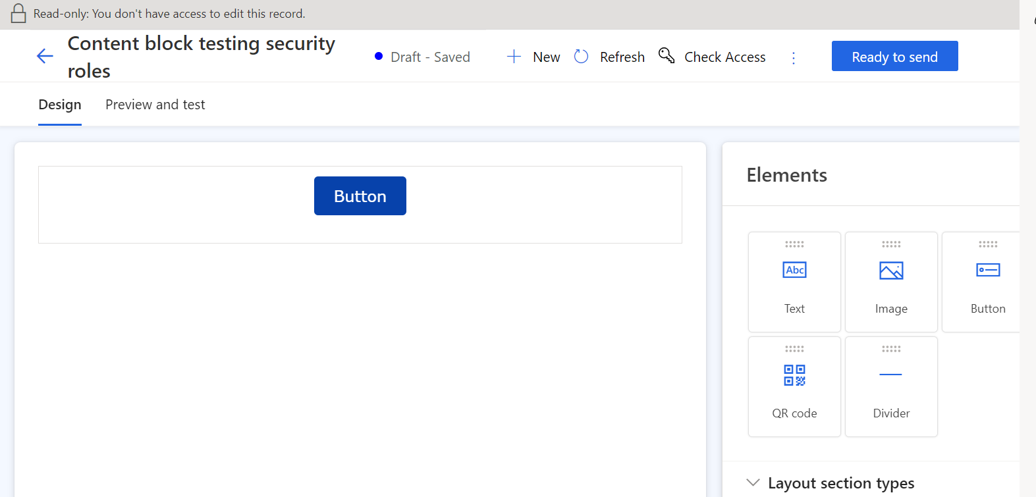
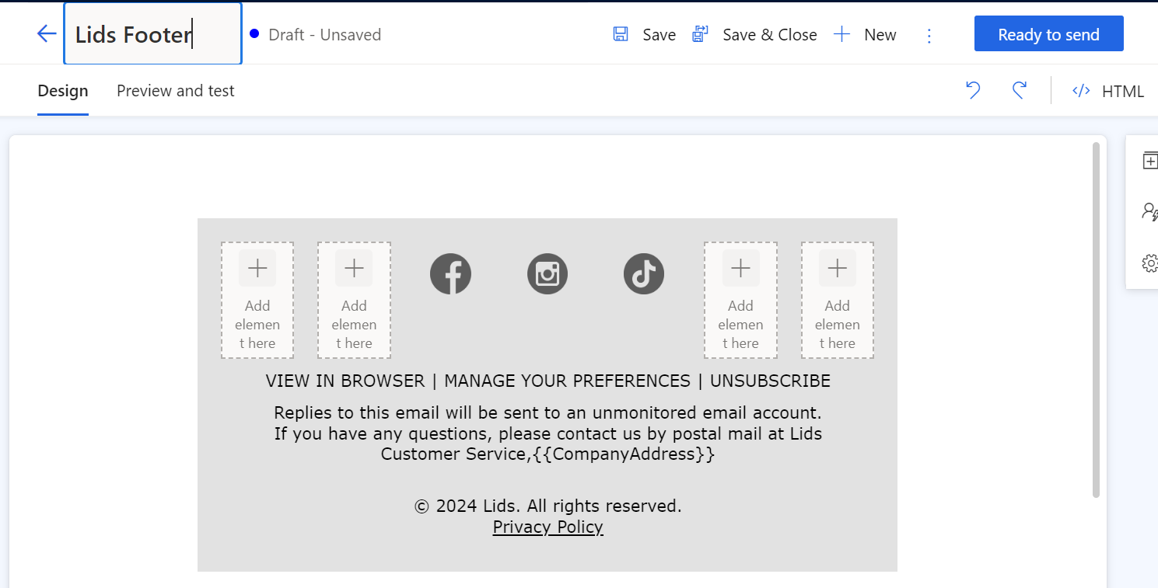

Library Organization Level | Create | Read
 |  |  | Library User Level | Write | Delete | Assign
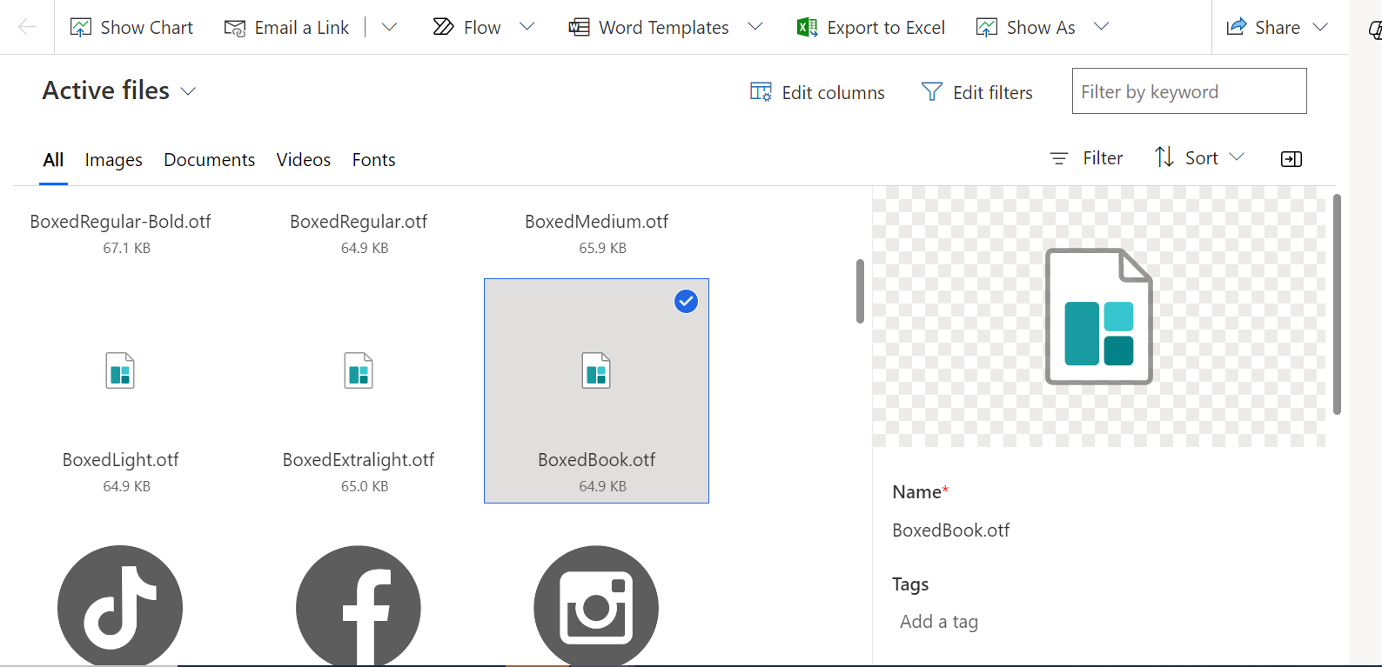
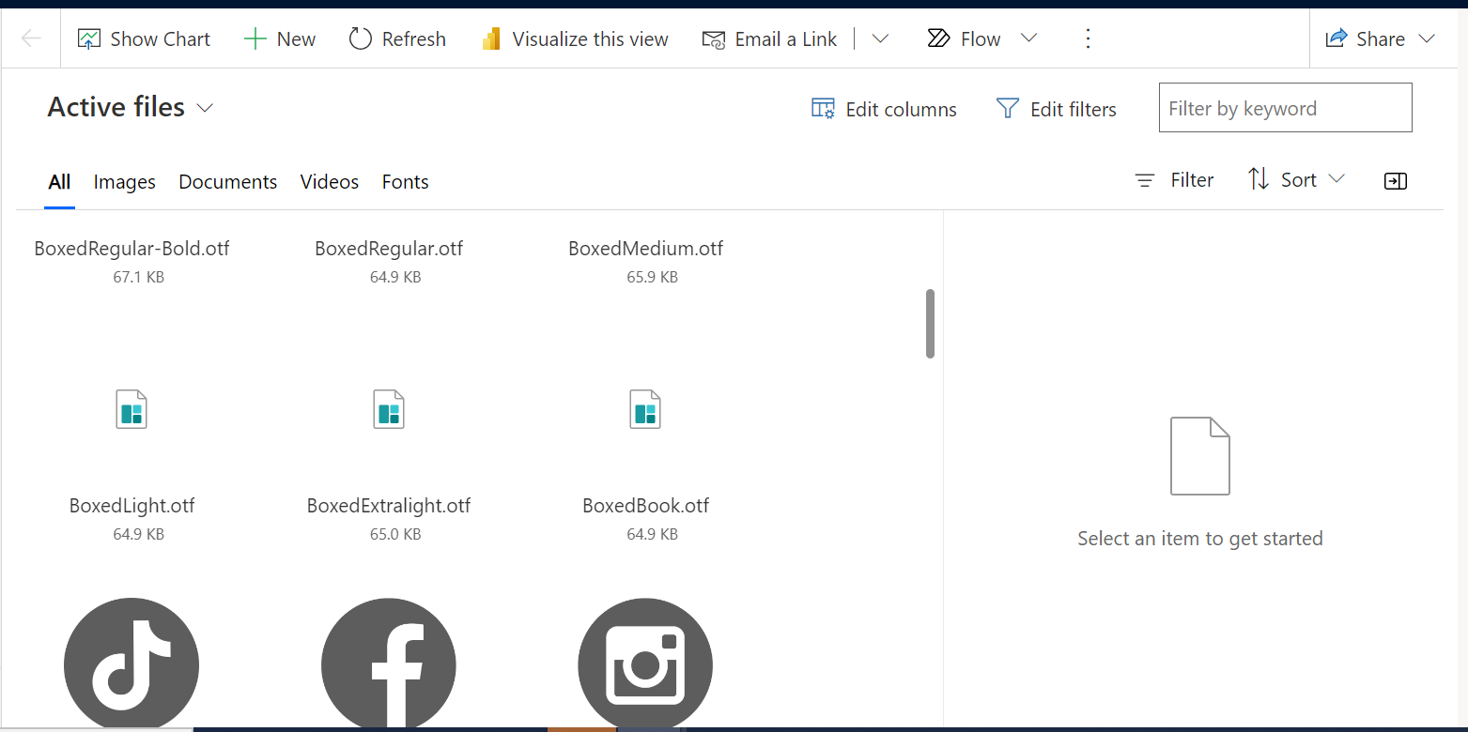

Email org Level | Create | Read | Email User Level | Write | Delete | Assign

